Dashboard
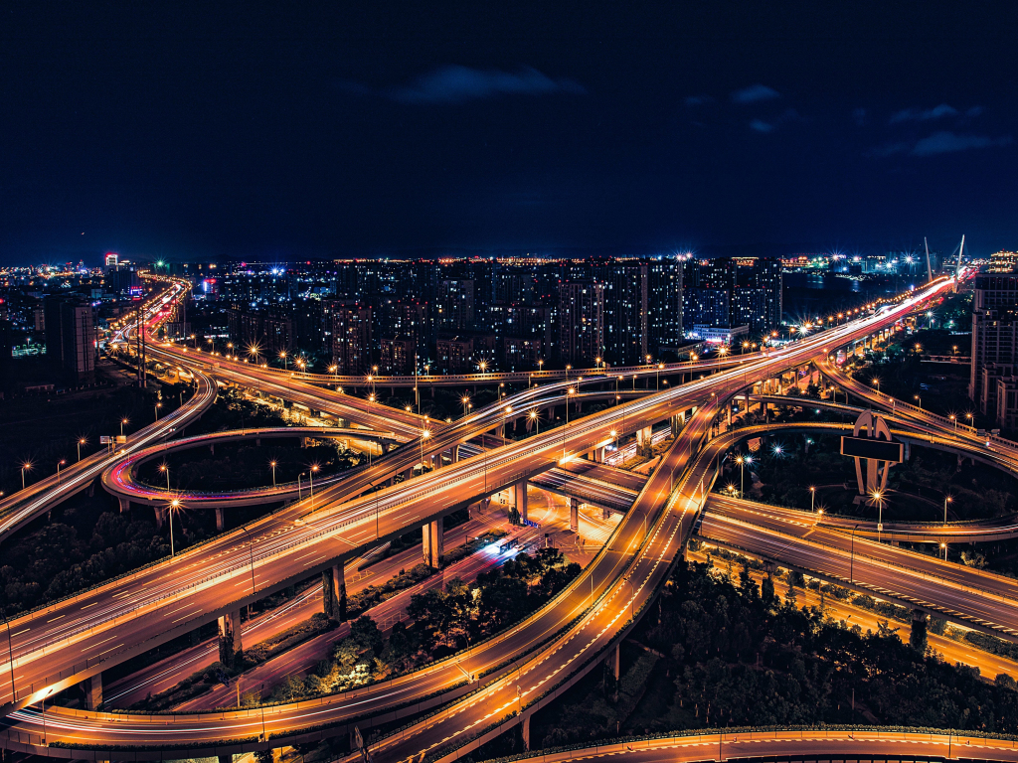
Traffic Analysis

 | Average of Total Vehicle | Max of Total Vehicle | Min of Total Vehicle
00:00:00 | 47.25 | 59 | 38
01:00:00 | 37.5 | 45 | 27
02:00:00 | 47.75 | 59 | 28
03:00:00 | 41.75 | 55 | 32
04:00:00 | 42.75 | 51 | 32
05:00:00 | 91.25 | 115 | 63
06:00:00 | 95 | 103 | 79
07:00:00 | 71 | 89 | 51
08:00:00 | 75.5 | 87 | 62
09:00:00 | 74 | 83 | 66
10:00:00 | 226.5 | 257 | 197
11:00:00 | 241.75 | 262 | 220
12:00:00 | 230.75 | 247 | 211
13:00:00 | 221.5 | 226 | 209
14:00:00 | 221 | 235 | 198
15:00:00 | 234.5 | 251 | 211
16:00:00 | 115.25 | 123 | 104
17:00:00 | 104 | 128 | 88
18:00:00 | 105 | 117 | 90
19:00:00 | 111.75 | 123 | 84
20:00:00 | 53 | 65 | 32
21:00:00 | 54 | 64 | 43
22:00:00 | 42.75 | 63 | 31
23:00:00 | 48 | 54 | 34
 | Total Vehicle | Forecast(Total Vehicle) | Lower Confidence Bound(Total Vehicle) | Upper Confidence Bound(Total Vehicle)
 | 44.741935484
 | 40.903225806
 | 46.322580645
 | 44.419354839
 | 47.967741935
 | 114.83870968
 | 173.09677419
 | 171
 | 177.96774194
 | 171.90322581
 | 120.51612903
 | 105.35483871
 | 106.12903226
 | 103.77419355
 | 133.51612903
 | 130.5483871
 | 183.93548387
 | 183.62903226
 | 183.32258065
 | 130.61290323
 | 120
 | 125.41935484
 | 42.032258065
 | 44.322580645 | 44.322580645 | 44.322580645 | 44.322580645
 |  | 47.085400176 | -17.256945751 | 111.4277461
 |  | 49.029358621 | -37.577470585 | 135.63618783
 |  | 50.973317065 | -53.281239468 | 155.2278736
 |  | 52.91727551 | -66.434116765 | 172.26866779
 |  | 54.861233955 | -77.909161785 | 187.6316297
 |  | 56.8051924 | -88.173048309 | 201.78343311
 |  | 58.749150845 | -97.509928891 | 215.00823058
 |  | 60.69310929 | -106.10801609 | 227.49423467
 |  | 62.637067735 | -114.09958619 | 239.37372166
 |  | 64.581026179 | -121.58179643 | 250.74384879
 |  | 66.524984624 | -128.62849023 | 261.67845948
 |  | 68.468943069 | -135.29734413 | 272.23523027
 |  | 70.412901514 | -141.6344233 | 282.46022633
 |  | 72.356859959 | -147.677209 | 292.39092892
 |  | 74.300818404 | -153.4566814 | 302.0583182
 |  | 76.244776849 | -158.99879452 | 311.48834822
 |  | 78.188735293 | -164.32554728 | 320.70301787
 |  | 80.132693738 | -169.45577783 | 329.72116531
 |  | 82.076652183 | -174.405764 | 338.55906837
 |  | 84.020610628 | -179.18968467 | 347.23090592
 |  | 85.964569073 | -183.81997947 | 355.74911761
 |  | 87.908527518 | -188.30763301 | 364.12468805
 |  | 89.852485963 | -192.66240205 | 372.36737398
 |  | 91.796444407 | -196.89299902 | 380.48588784

Traffic per hour
Average Total
 | Total
Sunday | 114.35677083
Monday | 112.95833333
Tuesday | 115.23958333
Wednesday | 116.3625
Thursday | 114.5625
Friday | 109.32291667
Saturday | 115.84895833
Vehicle Type
 | Car | Bike | Bus | Truck
Friday | 68.953125 | 22.010416667 | 8.2135416667 | 10.145833333
Trafic
 | Total
Heavy | 93
Low | 172
Noraml | 119
Vehicle Type

Traffic

Average Total

Next Day Forcasting

Traffic per hour
 | Average of Total Vehicle | Max of Total Vehicle | Min of Total Vehicle
00:00:00 | 47.25 | 59 | 38
01:00:00 | 37.5 | 45 | 27
02:00:00 | 47.75 | 59 | 28
03:00:00 | 41.75 | 55 | 32
04:00:00 | 42.75 | 51 | 32
05:00:00 | 91.25 | 115 | 63
06:00:00 | 95 | 103 | 79
07:00:00 | 71 | 89 | 51
08:00:00 | 75.5 | 87 | 62
09:00:00 | 74 | 83 | 66
10:00:00 | 226.5 | 257 | 197
11:00:00 | 241.75 | 262 | 220
12:00:00 | 230.75 | 247 | 211
13:00:00 | 221.5 | 226 | 209
14:00:00 | 221 | 235 | 198
15:00:00 | 234.5 | 251 | 211
16:00:00 | 115.25 | 123 | 104
17:00:00 | 104 | 128 | 88
18:00:00 | 105 | 117 | 90
19:00:00 | 111.75 | 123 | 84
20:00:00 | 53 | 65 | 32
21:00:00 | 54 | 64 | 43
22:00:00 | 42.75 | 63 | 31
23:00:00 | 48 | 54 | 34

Traffic per hour
Vehicle Type
Traffic
Average Total
Next Day Forcasting

vehicle type
Vehicle Type
 | Car | Bike | Bus | Truck
Friday | 68.953125 | 22.010416667 | 8.2135416667 | 10.145833333

Traffic per hour
Vehicle Type
Traffic
Average Total
Next Day Forcasting

Traffic
Trafic
 | Total
Heavy | 93
Low | 172
Noraml | 119

Traffic per hour
Vehicle Type
Traffic
Average Total
Next Day Forcasting

Average total
Average Total
 | Total
Sunday | 114.35677083
Monday | 112.95833333
Tuesday | 115.23958333
Wednesday | 116.3625
Thursday | 114.5625
Friday | 109.32291667
Saturday | 115.84895833

Traffic per hour

Vehicle Type

Traffic

Average Total

Next Day Forcasting

forcast
 | Total Vehicle | Forecast(Total Vehicle) | Lower Confidence Bound(Total Vehicle) | Upper Confidence Bound(Total Vehicle)
 | 44.741935484
 | 40.903225806
 | 46.322580645
 | 44.419354839
 | 47.967741935
 | 114.83870968
 | 173.09677419
 | 171
 | 177.96774194
 | 171.90322581
 | 120.51612903
 | 105.35483871
 | 106.12903226
 | 103.77419355
 | 133.51612903
 | 130.5483871
 | 183.93548387
 | 183.62903226
 | 183.32258065
 | 130.61290323
 | 120
 | 125.41935484
 | 42.032258065
 | 44.322580645 | 44.322580645 | 44.322580645 | 44.322580645
 |  | 47.085400176 | -17.256945751 | 111.4277461
 |  | 49.029358621 | -37.577470585 | 135.63618783
 |  | 50.973317065 | -53.281239468 | 155.2278736
 |  | 52.91727551 | -66.434116765 | 172.26866779
 |  | 54.861233955 | -77.909161785 | 187.6316297
 |  | 56.8051924 | -88.173048309 | 201.78343311
 |  | 58.749150845 | -97.509928891 | 215.00823058
 |  | 60.69310929 | -106.10801609 | 227.49423467
 |  | 62.637067735 | -114.09958619 | 239.37372166
 |  | 64.581026179 | -121.58179643 | 250.74384879
 |  | 66.524984624 | -128.62849023 | 261.67845948
 |  | 68.468943069 | -135.29734413 | 272.23523027
 |  | 70.412901514 | -141.6344233 | 282.46022633
 |  | 72.356859959 | -147.677209 | 292.39092892
 |  | 74.300818404 | -153.4566814 | 302.0583182
 |  | 76.244776849 | -158.99879452 | 311.48834822
 |  | 78.188735293 | -164.32554728 | 320.70301787
 |  | 80.132693738 | -169.45577783 | 329.72116531
 |  | 82.076652183 | -174.405764 | 338.55906837
 |  | 84.020610628 | -179.18968467 | 347.23090592
 |  | 85.964569073 | -183.81997947 | 355.74911761
 |  | 87.908527518 | -188.30763301 | 364.12468805
 |  | 89.852485963 | -192.66240205 | 372.36737398
 |  | 91.796444407 | -196.89299902 | 380.48588784

Traffic per hour

Vehicle Type

Traffic

Average Total

Next Day Forcasting

